tier2 defaults
tier2 EF in [µg/km] from EMEP/EEA Guidebook 2023

1.A.3.b i | 1.A.3.b ii | 1.A.3.b iii - HDV | 1.A.3.b iii - buses | 1.A.3.b iv
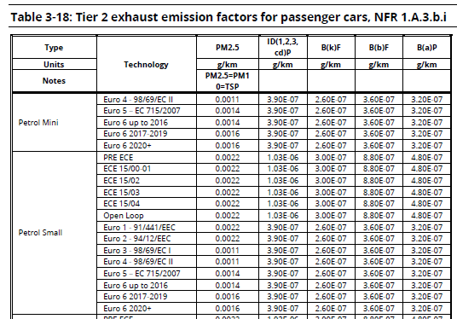
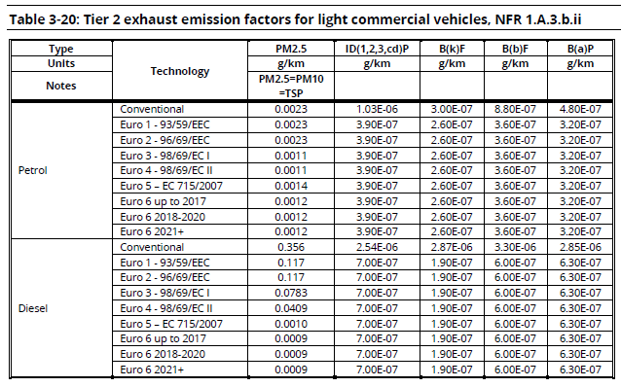
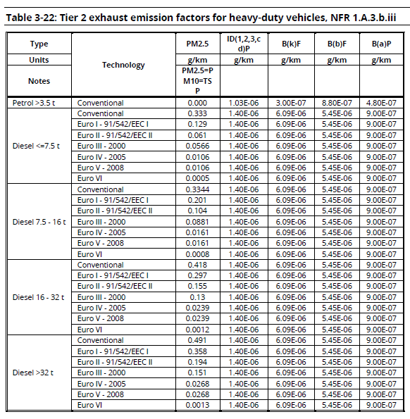
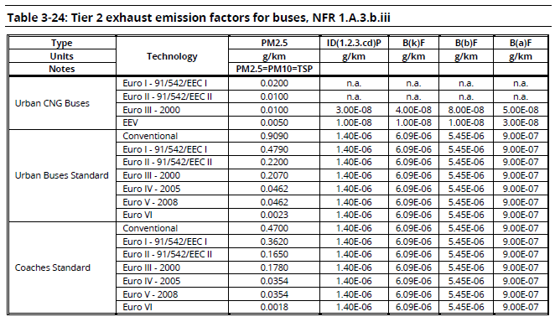
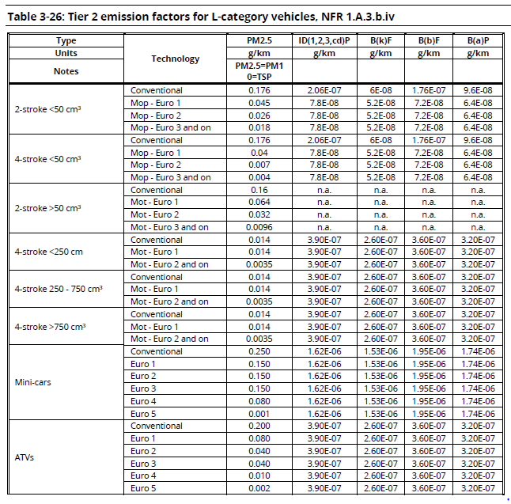

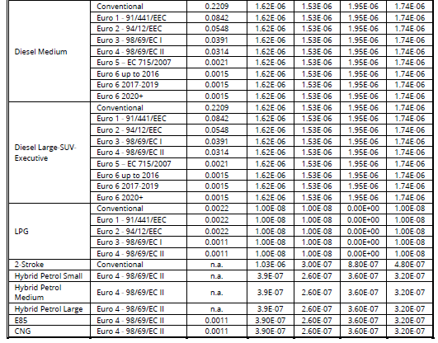

average EF derived (as mileage data does not allow for further speciation)

EF applied directly

